CN168360
1
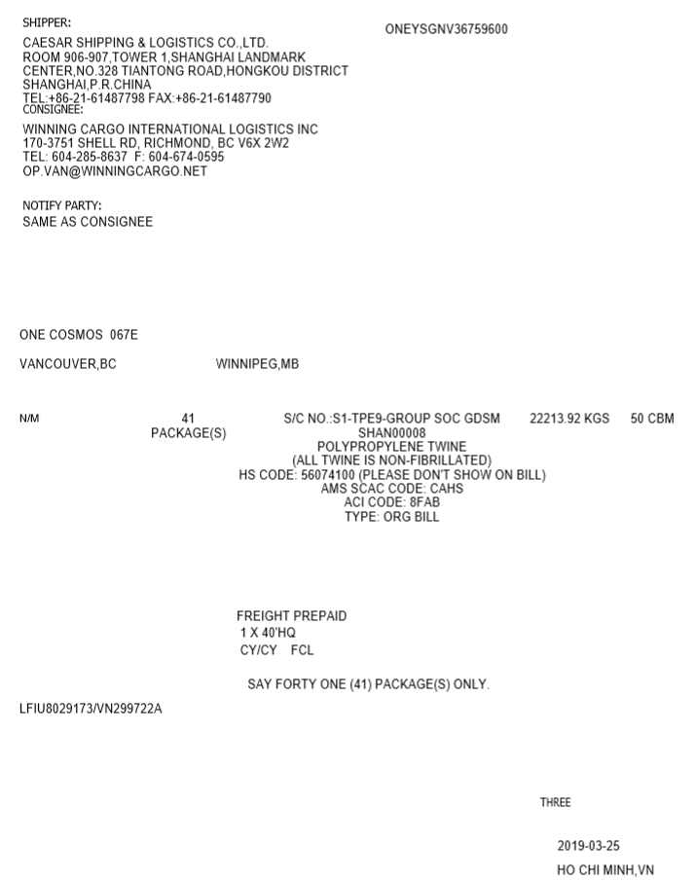
2
No. | Column | Remark
1 | BKG NO | ONEY(SCAC) + 12 digits
2 | Shipper
3 | Consignee
4 | Notify
5 | Vessel
6 | Voyage
3
**** | POR
7 | POL | place of bill issue
8 | POD | If there is no label, no one can be sure of the value (I assumed that it should be make a new process like using previous information) ….But we can guess POR or POL
9 | DEL | If there is no label, no one can be sure of the value (I assumed that it should be make a new process like using previous information) ….But we can guess POD or DEL
10 | Total Mark
4
11 | Total Packages
12 | Description of Goods
13 | Total Weight
14 | Total CBM
15 | HS Code | If it is possible, remove HS Code (some text indicate customer requirement)
5
6
16 | AMS SCAC CODE
17 | ACI Code | No one can be sure of the value(keep display only text)
18 | BL Type
8
9
19 | Container No | Array
20 | Seal No | Array
12
21 | Container Type | Array
22 | Packages | Array
10
23 | Container Mark | Array
11
14
24 | Container Weight | Array
15
13
25 | Container CBM | Array
16
17
26 | Payment
18

26

21
23
22
19
20

7

VN100944
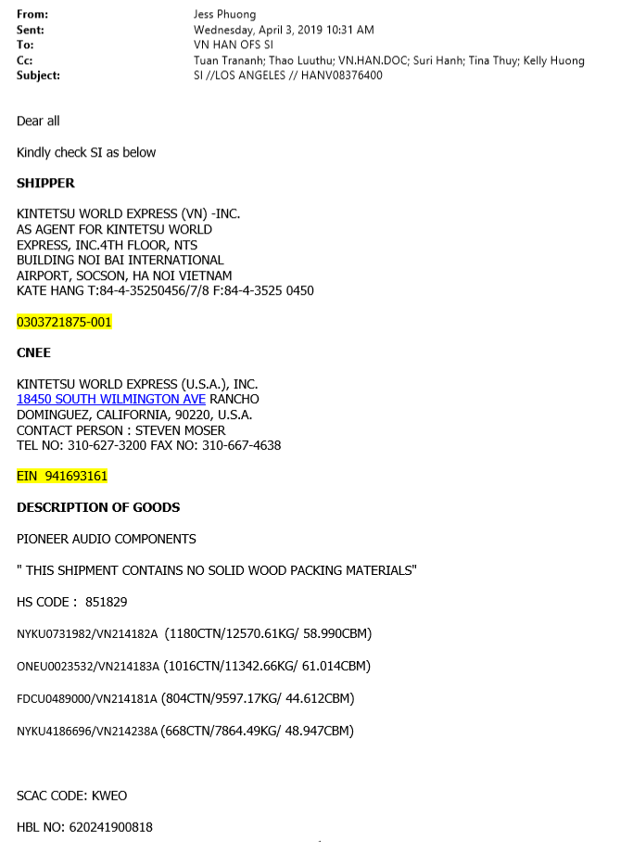
No. | Column | Remark
1 | BKG NO | ONEY(SCAC) + 12 digits
2 | Shipper | No one can be sure of the value(keep display only text)
1
3 | Consignee | No one can be sure of the value(keep display only text)
8
4 | Notify | It should be blank
5 | Vessel | empty is correct I assumed that it should be make a new process like using previous information
6 | Voyage | empty is correct I assumed that it should be make a new process like using previous information
*** | POR
7 | POL | If there is no label, no one can be sure of the value (I assumed that it should be make a new process like using previous information)
8 | POD
9 | DEL | empty
10 | Total Mark | empty
2
11 | Total Packages | empty
12 | Description of Goods
13 | Total Weight | empty is correct but some cases we have to summarize based on document
14 | Total CBM | empty is correct but some cases we have to summarize based on document
15 | HS Code
16 | AMS SCAC CODE
17 | ACI Code | No one can be sure of the value(keep display only text)
18 | BL Type | empty
19 | Container No | Array
3
20 | Seal No | Array
21 | Container Type | Array
22 | Packages | Array
23 | Container Mark | Array
24 | Container Weight | Array
25 | Container CBM | Array
26 | Payment | empty

12

15

19
20
22
24
25

16

VN102484
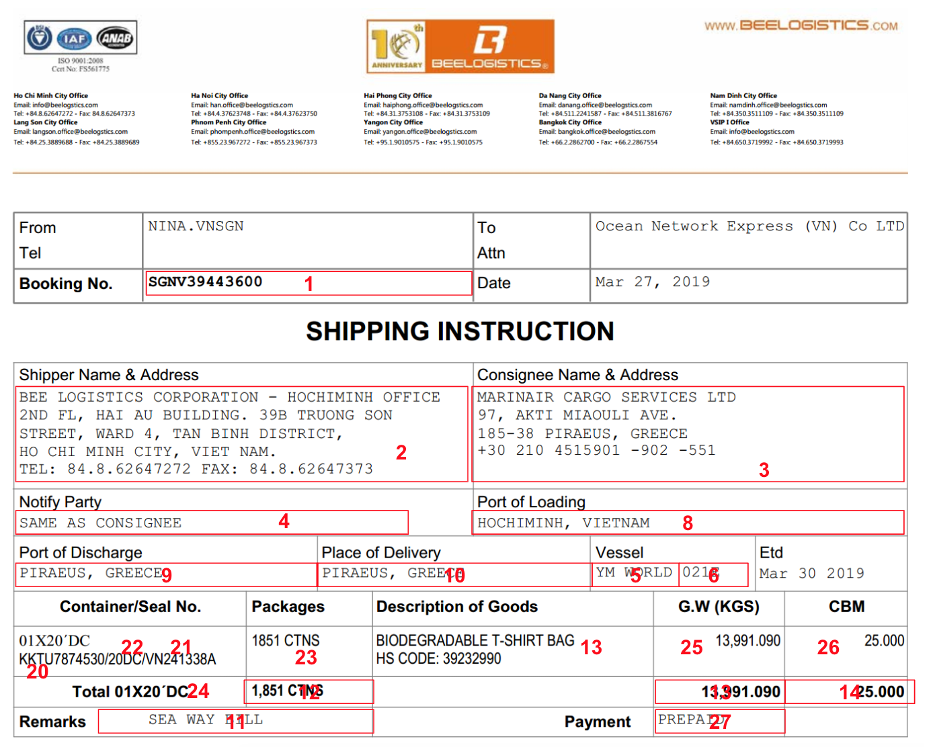
No. | Column | Remark
1 | BKG NO | X
2 | Shipper | X
3 | Consignee | X
4 | Notify | X
5 | Vessel | X
6 | Voyage | X
7 | POR | Empty
8 | POL | X
9 | POD | X
10 | DEL | X
11 | Total Mark | X
12 | Total Packages | X
13 | Description of Goods | X
14 | Total Weight | X
15 | Total CBM | X
16 | HS Code | X
17 | AMS SCAC CODE | Empty
18 | ACI Code | Empty
19 | BL Type | Empty
20 | Container No | Array
21 | Seal No | Array
22 | Container Type | Array
23 | Packages | Array
24 | Container Mark | Array
25 | Container Weight | Array
26 | Container CBM | Array
27 | Payment | X

VN104595
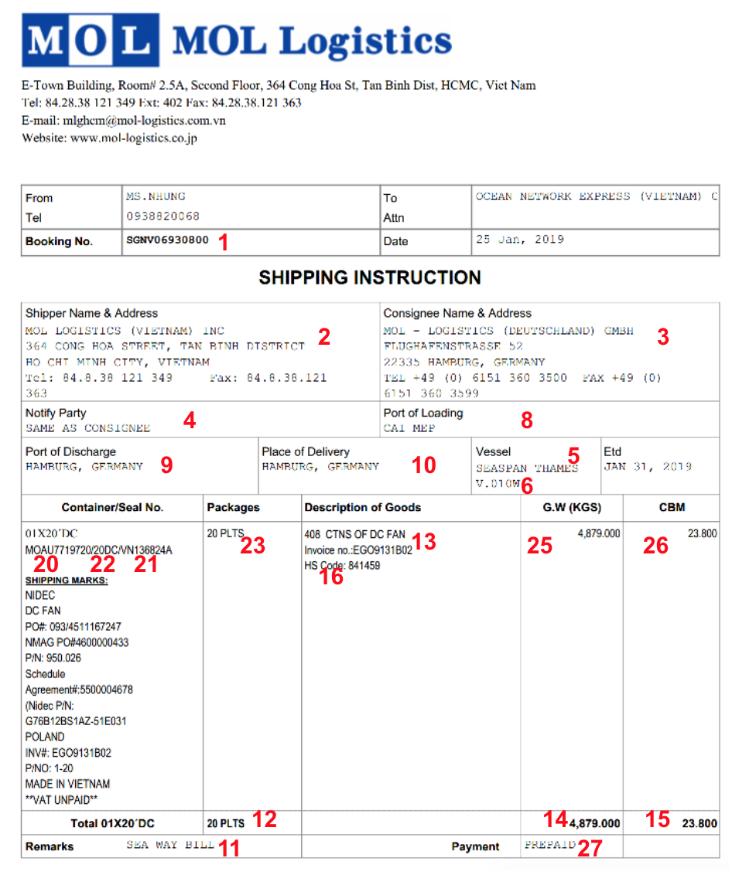
No. | Column | Remark
1 | BKG NO | X
2 | Shipper | X
3 | Consignee | X
4 | Notify | X
5 | Vessel | X
6 | Voyage | X
7 | POR | Empty
8 | POL | X
9 | POD | X
10 | DEL | X
11 | Total Mark | X
12 | Total Packages | X
13 | Description of Goods | X
14 | Total Weight | X
15 | Total CBM | X
16 | HS Code | X
17 | AMS SCAC CODE | Empty
18 | ACI Code | Empty
19 | BL Type | Empty
20 | Container No | Array
21 | Seal No | Array
22 | Container Type | Array
23 | Packages | Array
24 | Container Mark | Array
25 | Container Weight | Array
26 | Container CBM | Array
27 | Payment | X

